Sheet1
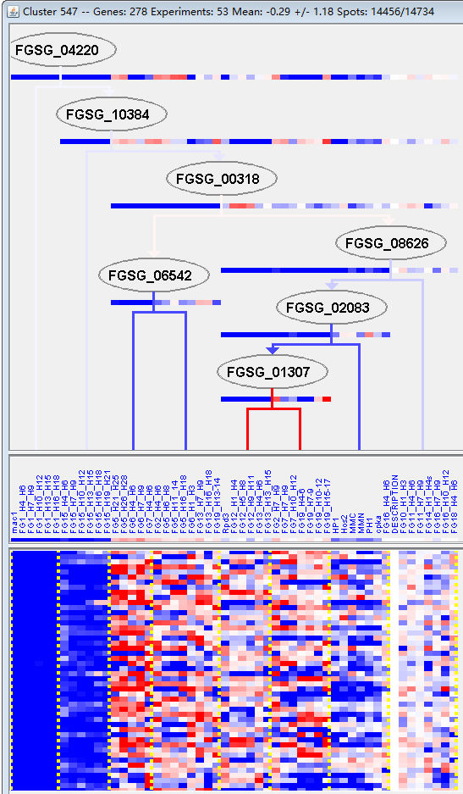
k | Filter | FUNCTIONAL CATEGORY | abs SET | rel SET | genes SET | abs GENOME | rel GENOME | rel SET/rel GENOME | P-VALUE | Bonferroni_corr | FDR
16.03.01 DNA binding | 18 | 7.96 | FGSG_00404 FGSG_01165 FGSG_01378 FGSG_04453 FGSG_04364 FGSG_04349 FGSG_12275 FGSG_05475 FGSG_05924 FGSG_06314 FGSG_06721 FGSG_06979 FGSG_08791 FGSG_09495 FGSG_09828 FGSG_10090 FGSG_10227 FGSG_10286 | 471 | 3.4 | 2.341176471 | 0.000742753
16.03 nucleic acid binding | 23 | 10.1 | FGSG_00404 FGSG_01165 FGSG_01378 FGSG_11632 FGSG_04453 FGSG_04448 FGSG_12263 FGSG_04364 FGSG_04349 FGSG_12275 FGSG_04185 FGSG_05244 FGSG_05475 FGSG_05924 FGSG_06314 FGSG_06721 FGSG_06979 FGSG_08791 FGSG_09495 FGSG_09828 FGSG_10090 FGSG_10227 FGSG_10286 | 811 | 5.86 | 1.723549488 | 0.007078651
02.11.05 accessory proteins of electron transport and membrane-associated energy conservation | 4 | 1.76 | FGSG_07109 FGSG_13257 FGSG_09006 FGSG_10882 | 49 | 0.35 | 5.028571429 | 0.008287486
01.05.13 transfer of activated C-1 groups | 5 | 2.21 | FGSG_00357 FGSG_11632 FGSG_13258 FGSG_09300 FGSG_13799 | 84 | 0.6 | 3.683333333 | 0.012127217
01.01.09.07.02 degradation of histidine | 1 | 0.44 | FGSG_09311 | 1 | 0 | 0 | 0.016346015
01.05.07.07 C-3 compound catabolism | 1 | 0.44 | FGSG_05023 | 1 | 0 | 0 | 0.016346015
30.05.02.26 integrin receptor signalling pathway | 2 | 0.88 | FGSG_02816 FGSG_06327 | 13 | 0.09 | 9.777777778 | 0.018428147
32.07.07.07 superoxide metabolism | 2 | 0.88 | FGSG_04039 FGSG_03173 | 14 | 0.1 | 8.8 | 0.021270648
01.25.07 extracellular ester compound degradation | 2 | 0.88 | FGSG_00423 FGSG_06437 | 16 | 0.11 | 8 | 0.027456443
10.01.09.05 DNA conformation modification (e.g. chromatin) | 9 | 3.98 | FGSG_02700 FGSG_04364 FGSG_12275 FGSG_05475 FGSG_05505 FGSG_06814 FGSG_09495 FGSG_09828 FGSG_10286 | 274 | 1.98 | 2.01010101 | 0.036398878
10.01.05.03.03 somatic / mitotic recombination | 2 | 0.88 | FGSG_05924 FGSG_06721 | 20 | 0.14 | 6.285714286 | 0.041662098
10.01.09 DNA restriction or modification | 9 | 3.98 | FGSG_02700 FGSG_04364 FGSG_12275 FGSG_05475 FGSG_05505 FGSG_06814 FGSG_09495 FGSG_09828 FGSG_10286 | 282 | 2.03 | 1.960591133 | 0.042426418
11.02.03.04 transcriptional control | 19 | 8.4 | FGSG_00182 FGSG_00404 FGSG_00982 FGSG_01378 FGSG_02700 FGSG_04364 FGSG_04349 FGSG_12275 FGSG_05475 FGSG_05479 FGSG_05505 FGSG_06814 FGSG_06979 FGSG_07592 FGSG_08791 FGSG_09495 FGSG_09828 FGSG_10286 FGSG_11262 | 765 | 5.53 | 1.518987342 | 0.045629394
01 METABOLISM | 67 | 29.6 | FGSG_00357 FGSG_00391 FGSG_00404 FGSG_00423 FGSG_00982 FGSG_01032 FGSG_01165 FGSG_01378 FGSG_01640 FGSG_12031 FGSG_02145 FGSG_02330 FGSG_02366 FGSG_02506 FGSG_02765 FGSG_11632 FGSG_04448 FGSG_04407 FGSG_12275 FGSG_04131 FGSG_04064 FGSG_03408 FGSG_12483 FGSG_03173 FGSG_02872 FGSG_02816 FGSG_04966 FGSG_04988 FGSG_05023 FGSG_05297 FGSG_05479 FGSG_12767 FGSG_05924 FGSG_06211 FGSG_06327 FGSG_06437 FGSG_06900 FGSG_06967 FGSG_06979 FGSG_07109 FGSG_07484 FGSG_13258 FGSG_08942 FGSG_08610 FGSG_08378 FGSG_08348 FGSG_08044 FGSG_09006 FGSG_09214 FGSG_09300 FGSG_09311 FGSG_09337 FGSG_09348 FGSG_09550 FGSG_09707 FGSG_09810 FGSG_09828 FGSG_13663 FGSG_09957 FGSG_10144 FGSG_10227 FGSG_10230 FGSG_13799 FGSG_10695 FGSG_10882 FGSG_11347 FGSG_11262 | 3402 | 24.6 | 1.203252033 | 0.047008314

16.03.01 DNA结合
16.03核酸结合

